Snapshots
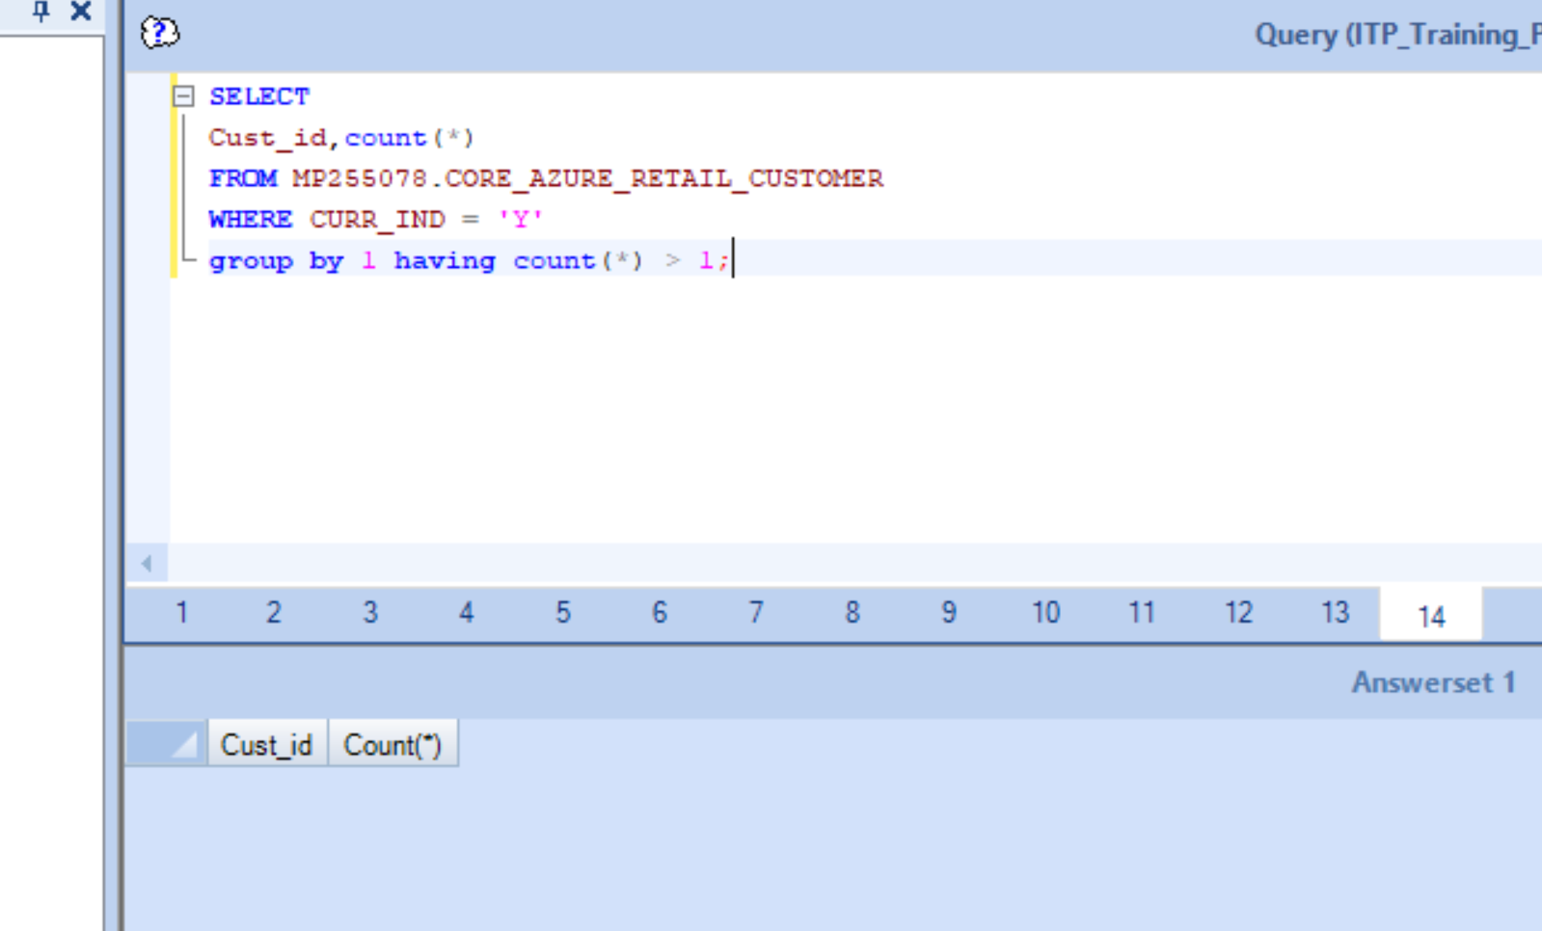
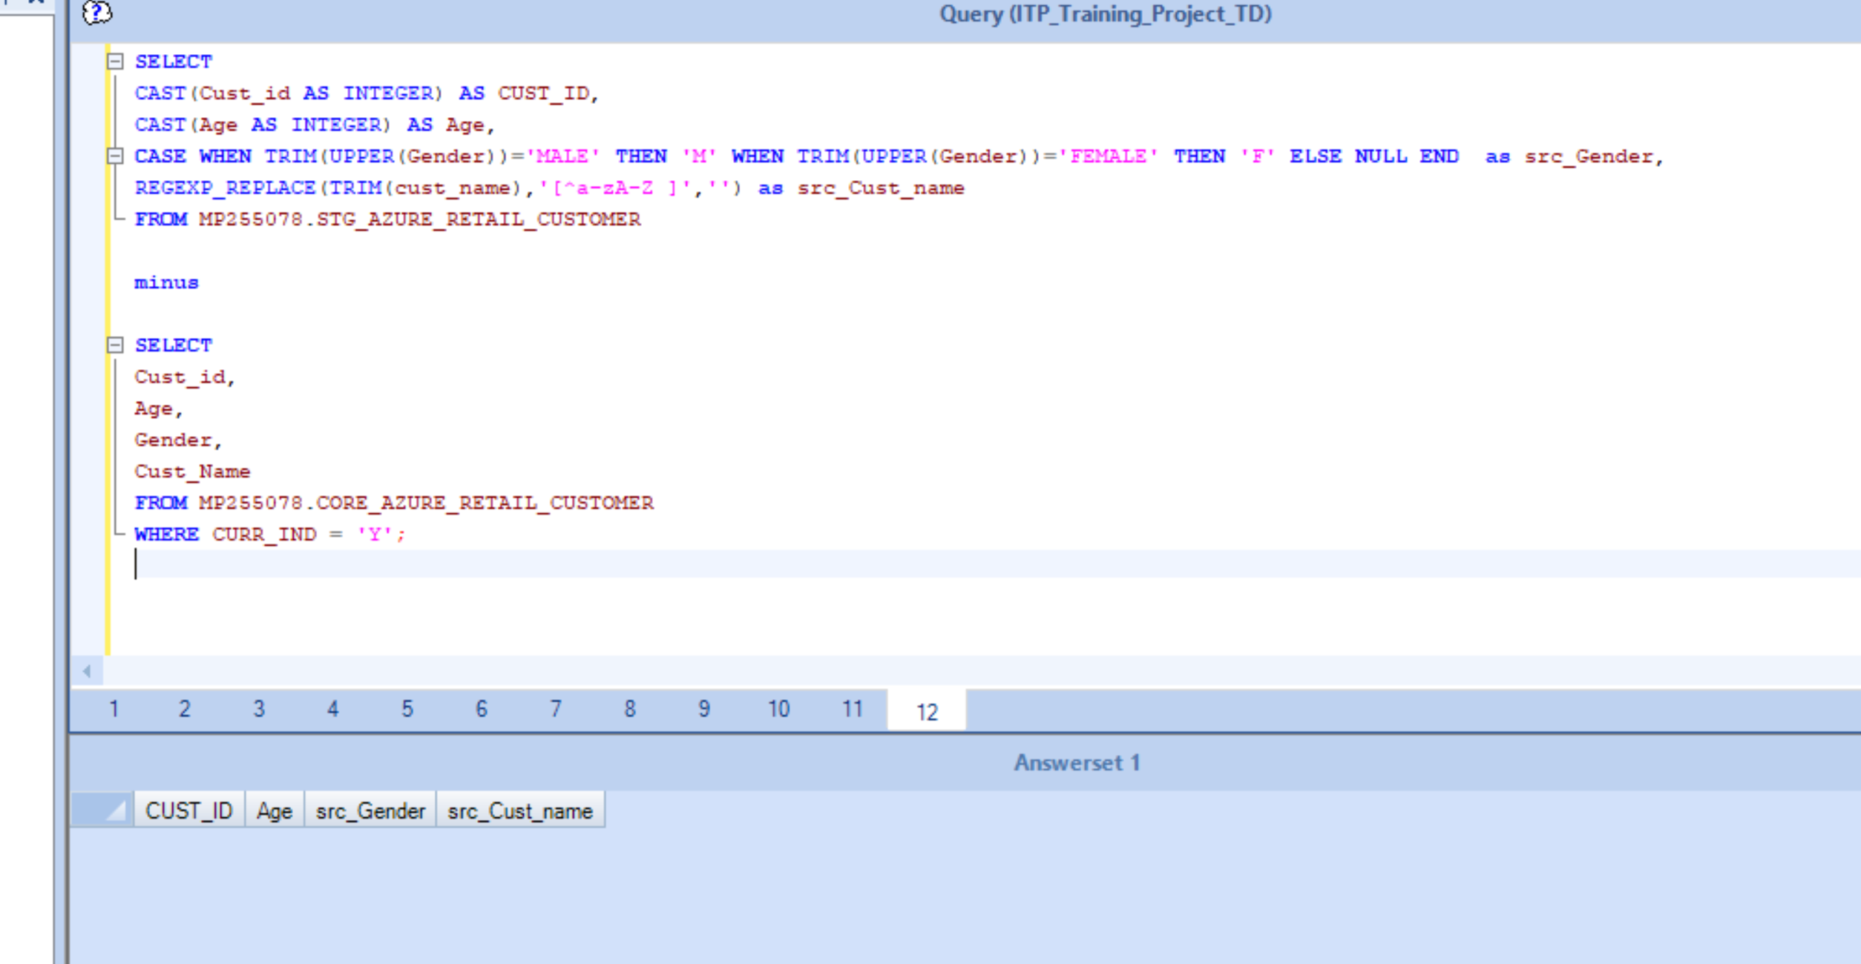

SELECT
CAST(Cust_id AS INTEGER) AS CUST_ID,
CAST(Age AS INTEGER) AS Age,
CASE WHEN TRIM(UPPER(Gender))='MALE' THEN 'M' WHEN TRIM(UPPER(Gender))='FEMALE' THEN 'F' ELSE NULL END as src_Gender,
REGEXP_REPLACE(TRIM(cust_name),'[^a-zA-Z ]','') as src_Cust_name
FROM MP255078.STG_AZURE_RETAIL_CUSTOMER

minus

SELECT
Cust_id,
Age,
Gender,
Cust_Name
FROM MP255078.CORE_AZURE_RETAIL_CUSTOMER
WHERE CURR_IND = 'Y';

####No Records

SELECT
Cust_id,
Age,
Gender,
Cust_Name
FROM MP255078.CORE_AZURE_RETAIL_CUSTOMER
WHERE CURR_IND = 'Y'

MINUS

SELECT
CAST(Cust_id AS INTEGER) AS CUST_ID,
CAST(Age AS INTEGER) AS Age,
CASE WHEN TRIM(UPPER(Gender))='MALE' THEN 'M' WHEN TRIM(UPPER(Gender))='FEMALE' THEN 'F' ELSE NULL END as src_Gender,
REGEXP_REPLACE(TRIM(cust_name),'[^a-zA-Z ]','') as src_Cust_name
FROM MP255078.STG_AZURE_RETAIL_CUSTOMER;

####No Records

